text
Bird game main menu typography
Components | Font | color (#) | Size (px) | Preview | Note
Header - large | Font_common | 261637 | 128 |  | Dialog Title
Header - small |  | 0A0510 | 48 | 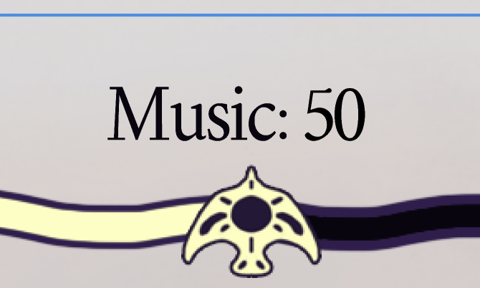 | Modal Section Header
Content |  |  | 32 | 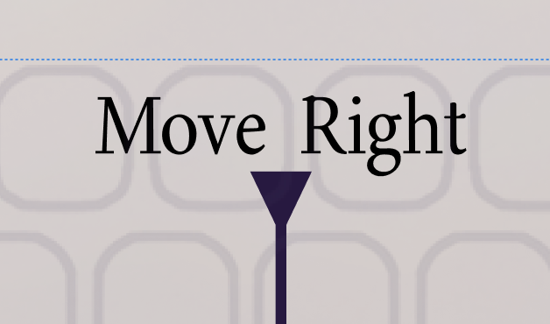 | Body Text
Main menu button - Default |  | FFFEBC | 64 | 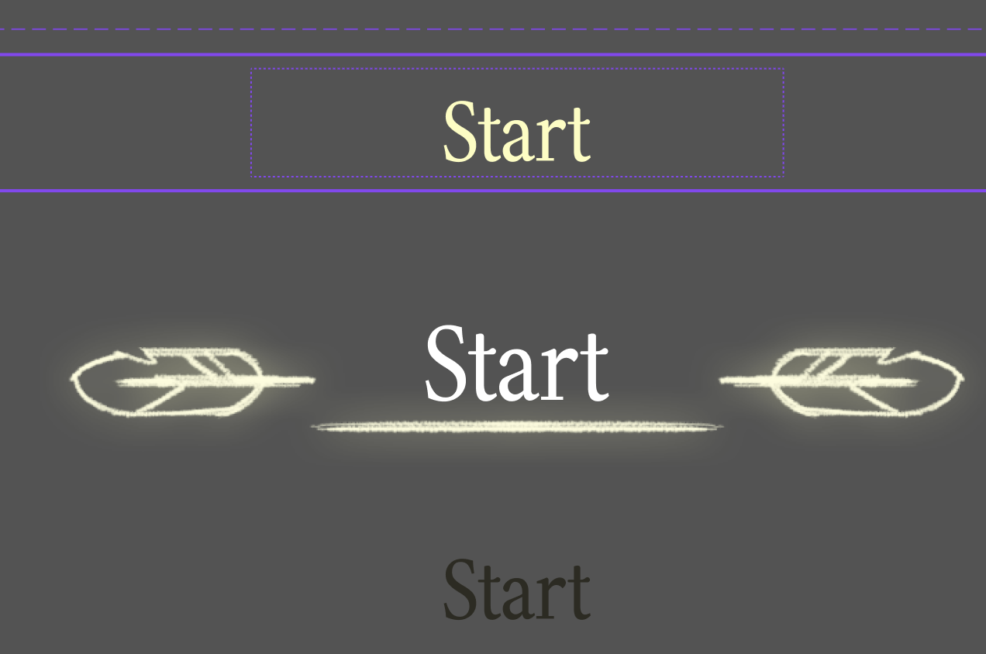 | Main Button - Default
Main menu button - while hovering |  | FFFFFF | 80 |  | Main Button - Hover
Main menu button - while pressing |  | 2C2B22 | 64 |  | Main Button - Pressed
Display mode button - default |  | 2A1643 | 32 | 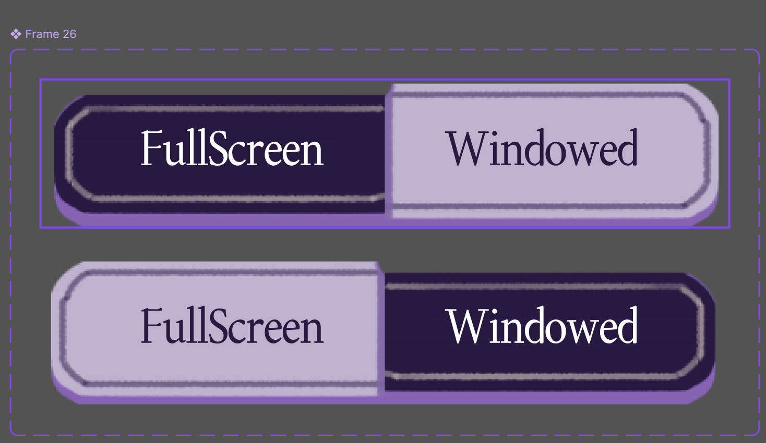 | Toggle Button - Unselected
Display mode button - selected |  | FFFFFF | 32 |  | Toggle Button - Selected
Input prompt - key |  | FFFEBC | 32 | 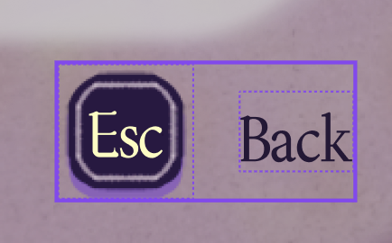 | Key Prompt - Key
Input prompt - prompt |  | 2A1643 | 32 |  | Key Prompt - Label

